TEDB Edition 40
The number of transmission speeds in new light-duty vehicles has been growing over the last few decades. By 2021, 91% of cars and 96% of light trucks were at least six speeds. The share of light truck transmissions in the 9 & 10-speed category grew to 35% in 2021. Continuously variable transmissions (CVTs) were 43% of car production and 18% of light truck production. A greater number of gears improves fuel economy and performance by more closely matching the wheel speed to the optimum engine speed.

Figure 4.5. Car and Light Truck Production by Transmission Speed, Model Years 1980-2021
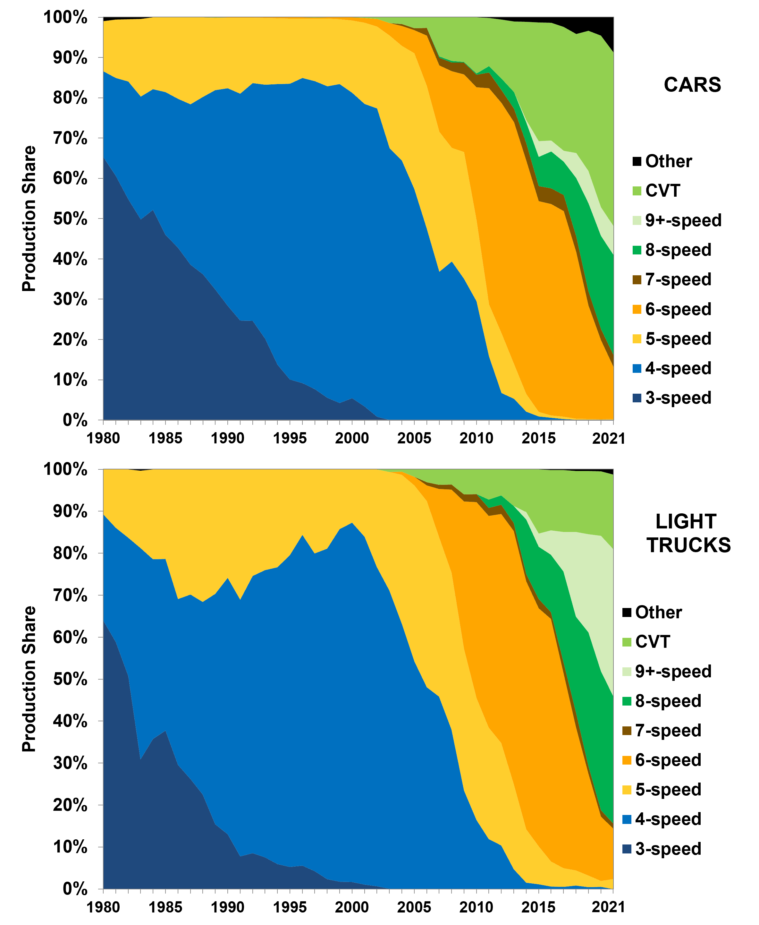

Model year | 3-speed | 4-speed | 5-speed | 6-speed | 7-speed | 8-speed | 9&10-speed | CVT | Other
 | Cars
1980 | 65.3% | 21.3% | 12.4% | 0.0% | 0.0% | 0.0% | 0.0% | 0.0% | 1.0%
1981 | 60.7% | 24.3% | 14.5% | 0.0% | 0.0% | 0.0% | 0.0% | 0.0% | 0.6%
1982 | 54.8% | 29.3% | 15.4% | 0.0% | 0.0% | 0.0% | 0.0% | 0.0% | 0.5%
1983 | 49.8% | 30.5% | 19.2% | 0.0% | 0.0% | 0.0% | 0.0% | 0.0% | 0.5%
1984 | 52.2% | 29.9% | 17.9% | 0.0% | 0.0% | 0.0% | 0.0% | 0.0% | 0.0%
1985 | 46.0% | 35.4% | 18.6% | 0.0% | 0.0% | 0.0% | 0.0% | 0.0% | 0.0%
1986 | 42.8% | 36.9% | 20.3% | 0.0% | 0.0% | 0.0% | 0.0% | 0.0% | 0.0%
1987 | 38.6% | 39.8% | 21.6% | 0.0% | 0.0% | 0.0% | 0.0% | 0.0% | 0.0%
1988 | 36.1% | 44.1% | 19.8% | 0.0% | 0.0% | 0.0% | 0.0% | 0.0% | 0.0%
1989 | 32.4% | 49.5% | 17.9% | 0.0% | 0.0% | 0.0% | 0.0% | 0.1% | 0.0%
1990 | 28.3% | 54.0% | 17.5% | 0.1% | 0.0% | 0.0% | 0.0% | 0.0% | 0.0%
1991 | 24.7% | 56.3% | 18.9% | 0.1% | 0.0% | 0.0% | 0.0% | 0.0% | 0.0%
1992 | 24.6% | 59.1% | 16.3% | 0.1% | 0.0% | 0.0% | 0.0% | 0.0% | 0.0%
1993 | 20.2% | 63.1% | 16.6% | 0.2% | 0.0% | 0.0% | 0.0% | 0.0% | 0.0%
1994 | 13.8% | 69.6% | 16.3% | 0.3% | 0.0% | 0.0% | 0.0% | 0.0% | 0.0%
1995 | 10.1% | 73.4% | 16.2% | 0.4% | 0.0% | 0.0% | 0.0% | 0.0% | 0.0%
1996 | 9.2% | 75.8% | 14.7% | 0.3% | 0.0% | 0.0% | 0.0% | 0.0% | 0.0%
1997 | 7.6% | 76.5% | 15.5% | 0.3% | 0.0% | 0.0% | 0.0% | 0.1% | 0.0%
1998 | 5.5% | 77.4% | 16.8% | 0.3% | 0.0% | 0.0% | 0.0% | 0.1% | 0.0%
1999 | 4.3% | 79.2% | 16.1% | 0.5% | 0.0% | 0.0% | 0.0% | 0.0% | 0.0%
2000 | 5.5% | 75.8% | 17.9% | 0.8% | 0.0% | 0.0% | 0.0% | 0.0% | 0.0%
2001 | 3.4% | 75.1% | 20.2% | 1.2% | 0.0% | 0.0% | 0.0% | 0.2% | 0.0%
2002 | 0.8% | 76.6% | 20.3% | 1.9% | 0.0% | 0.0% | 0.0% | 0.4% | 0.0%
2003 | 0.0% | 67.5% | 27.9% | 3.1% | 0.0% | 0.0% | 0.0% | 1.4% | 0.0%
2004 | 0.0% | 64.5% | 28.4% | 5.0% | 0.4% | 0.0% | 0.0% | 1.7% | 0.0%
2005 | 0.0% | 57.3% | 33.7% | 5.8% | 0.4% | 0.0% | 0.0% | 2.8% | 0.0%
2006 | 0.0% | 47.5% | 35.4% | 12.5% | 1.9% | 0.0% | 0.0% | 2.7% | 0.0%
2007 | 0.0% | 36.8% | 34.7% | 16.5% | 1.9% | 0.4% | 0.0% | 9.7% | 0.0%
2008 | 0.0% | 39.3% | 28.2% | 19.0% | 2.2% | 0.4% | 0.0% | 10.8% | 0.0%
2009 | 0.0% | 35.1% | 31.4% | 19.3% | 2.9% | 0.2% | 0.0% | 11.1% | 0.0%
2010 | 0.0% | 29.5% | 20.2% | 33.0% | 3.1% | 0.3% | 0.0% | 14.0% | 0.0%
2011 | 0.0% | 15.8% | 12.9% | 53.7% | 3.9% | 1.6% | 0.0% | 11.9% | 0.2%
2012 | 0.0% | 6.7% | 14.8% | 57.2% | 3.2% | 2.9% | 0.0% | 14.6% | 0.6%
2013 | 0.0% | 5.3% | 8.6% | 60.0% | 3.3% | 4.2% | 0.0% | 17.5% | 1.1%
2014 | 0.0% | 2.1% | 4.4% | 58.0% | 4.3% | 5.2% | 0.6% | 24.4% | 1.1%
2015 | 0.0% | 0.9% | 1.1% | 52.3% | 3.8% | 7.2% | 3.8% | 29.5% | 1.3%
2016 | 0.0% | 0.6% | 0.6% | 52.4% | 3.9% | 9.2% | 2.7% | 29.3% | 1.4%
2017 | 0.0% | 0.3% | 0.6% | 51.0% | 4.0% | 8.2% | 2.8% | 30.7% | 2.4%
2018 | 0.0% | 0.0% | 0.3% | 41.3% | 3.9% | 14.5% | 6.2% | 29.6% | 4.1%
2019 | 0.0% | 0.0% | 0.2% | 28.3% | 3.5% | 21.9% | 7.9% | 34.8% | 3.4%
2020 | 0.0% | 0.0% | 0.1% | 19.7% | 2.8% | 23.1% | 7.1% | 42.6% | 4.5%
2021 | 0.0% | 0.0% | 0.2% | 13.1% | 2.9% | 24.9% | 7.2% | 43.2% | 8.7%
 | Light Trucks
1980 | 63.9% | 25.3% | 10.8% | 0.0% | 0.0% | 0.0% | 0.0% | 0.0% | 0.0%
1981 | 58.9% | 27.2% | 13.9% | 0.0% | 0.0% | 0.0% | 0.0% | 0.0% | 0.0%
1982 | 50.8% | 33.0% | 16.2% | 0.0% | 0.0% | 0.0% | 0.0% | 0.0% | 0.0%
1983 | 30.8% | 50.4% | 18.4% | 0.0% | 0.0% | 0.0% | 0.0% | 0.0% | 0.3%
1984 | 35.7% | 42.8% | 21.4% | 0.0% | 0.0% | 0.0% | 0.0% | 0.0% | 0.0%
1985 | 37.7% | 40.9% | 21.4% | 0.0% | 0.0% | 0.0% | 0.0% | 0.0% | 0.0%
1986 | 29.5% | 39.6% | 30.9% | 0.0% | 0.0% | 0.0% | 0.0% | 0.0% | 0.0%
1987 | 26.2% | 43.9% | 29.8% | 0.0% | 0.0% | 0.0% | 0.0% | 0.0% | 0.1%
1988 | 22.5% | 45.9% | 31.6% | 0.0% | 0.0% | 0.0% | 0.0% | 0.0% | 0.0%
1989 | 15.4% | 54.9% | 29.7% | 0.0% | 0.0% | 0.0% | 0.0% | 0.0% | 0.0%
1990 | 13.1% | 61.0% | 25.9% | 0.0% | 0.0% | 0.0% | 0.0% | 0.0% | 0.0%
1991 | 7.8% | 61.2% | 31.0% | 0.0% | 0.0% | 0.0% | 0.0% | 0.0% | 0.0%
1992 | 8.5% | 66.1% | 25.4% | 0.0% | 0.0% | 0.0% | 0.0% | 0.0% | 0.0%
1993 | 7.5% | 68.4% | 24.0% | 0.0% | 0.0% | 0.0% | 0.0% | 0.0% | 0.0%
1994 | 5.9% | 70.7% | 23.3% | 0.0% | 0.0% | 0.0% | 0.0% | 0.0% | 0.0%
1995 | 5.2% | 74.3% | 20.4% | 0.0% | 0.0% | 0.0% | 0.0% | 0.0% | 0.0%
1996 | 5.6% | 78.8% | 15.6% | 0.0% | 0.0% | 0.0% | 0.0% | 0.0% | 0.0%
1997 | 4.2% | 75.7% | 20.1% | 0.0% | 0.0% | 0.0% | 0.0% | 0.0% | 0.0%
1998 | 2.4% | 78.7% | 18.9% | 0.0% | 0.0% | 0.0% | 0.0% | 0.0% | 0.0%
1999 | 1.7% | 84.1% | 14.2% | 0.0% | 0.0% | 0.0% | 0.0% | 0.0% | 0.0%
2000 | 1.6% | 85.6% | 12.7% | 0.0% | 0.0% | 0.0% | 0.0% | 0.0% | 0.0%
2001 | 1.0% | 82.9% | 16.0% | 0.0% | 0.0% | 0.0% | 0.0% | 0.0% | 0.0%
2002 | 0.6% | 76.1% | 23.3% | 0.0% | 0.0% | 0.0% | 0.0% | 0.0% | 0.0%
2003 | 0.1% | 71.1% | 28.2% | 0.0% | 0.0% | 0.0% | 0.0% | 0.6% | 0.0%
2004 | 0.0% | 63.2% | 35.5% | 0.8% | 0.0% | 0.0% | 0.0% | 0.6% | 0.0%
2005 | 0.0% | 54.3% | 41.9% | 2.1% | 0.0% | 0.0% | 0.0% | 1.8% | 0.0%
2006 | 0.0% | 48.0% | 44.3% | 3.8% | 0.8% | 0.0% | 0.0% | 3.1% | 0.0%
2007 | 0.0% | 45.8% | 38.0% | 11.5% | 1.0% | 0.0% | 0.0% | 3.7% | 0.0%
2008 | 0.0% | 37.9% | 37.4% | 19.9% | 1.2% | 0.0% | 0.0% | 3.6% | 0.0%
2009 | 0.0% | 23.4% | 33.7% | 35.2% | 1.6% | 0.0% | 0.0% | 6.0% | 0.0%
2010 | 0.0% | 16.4% | 29.1% | 46.7% | 1.9% | 0.0% | 0.0% | 5.9% | 0.0%
2011 | 0.0% | 11.9% | 26.5% | 50.5% | 1.9% | 1.9% | 0.0% | 7.3% | 0.0%
2012 | 0.0% | 10.4% | 24.4% | 54.6% | 2.2% | 2.2% | 0.0% | 6.2% | 0.0%
2013 | 0.0% | 4.7% | 20.2% | 60.3% | 2.0% | 4.0% | 0.0% | 8.7% | 0.0%
2014 | 0.0% | 1.5% | 12.7% | 59.1% | 1.8% | 13.0% | 1.8% | 10.2% | 0.0%
2015 | 0.0% | 1.1% | 9.0% | 56.7% | 2.2% | 12.5% | 3.1% | 15.3% | 0.0%
2016 | 0.0% | 0.6% | 6.0% | 57.8% | 1.6% | 13.7% | 5.8% | 14.4% | 0.1%
2017 | 0.0% | 0.5% | 4.4% | 46.6% | 2.6% | 21.6% | 9.4% | 14.8% | 0.2%
2018 | 0.0% | 0.8% | 3.6% | 34.1% | 3.5% | 22.8% | 20.2% | 14.6% | 0.4%
2019 | 0.0% | 0.4% | 2.8% | 24.2% | 1.9% | 31.8% | 23.4% | 15.1% | 0.4%
2020 | 0.0% | 0.5% | 1.4% | 15.3% | 1.6% | 33.1% | 32.3% | 15.4% | 0.4%
2021 | 0.0% | 0.0% | 2.3% | 12.1% | 1.2% | 30.3% | 35.0% | 17.8% | 1.2%

Note: Data are production-weighted averages for each model year. Data for model year 2021 are preliminary. CVT data include both hybrid and non-hybrid. The "Other" category includes electric vehicles and plug-in hybrid-electric vehicles. Data include light trucks less than 8,500 lb Beginning with 2011, SUVs and passenger vans up to 10,000 lb were also included.

Source:
U.S. Environmental Protection Agency, The 2021 EPA Automotive Trends Report, EPA-420-R-21-023, November 2021. (Additional resources: www.epa.gov/fuel-economy-trends)

